CA_Scenario's
 | Access to: |  |  |  | By: |  |  |  |  |  |  |  |  |  | Using: |  |  |  |  |  |  |  |  | Access Controls
 |  | Cloud Apps | Except Cloud Apps | Actions |  | All Users | Select users and groups |  |  |  | Exclude |  |  |  |  | Sign-in Risk | Device Platform | Except Device Platform: | Location: | Except Location | Client Apps | Device State | Except Device State |  | Grant/Block | but | Session
User scenario |  |  |  |  |  |  |  | All guests and external users | Directory roles | Users and groups |  | All guests and external users | Directory roles | Users and groups

Require MFA for All Users |  | All | N/A | N/A |  | All Users |  |  |  |  |  |  |  | Break Glass Account 1 Break Glass Account 2 Exclude Group |  | N/A | N/A | N/A | N/A | N/A | Browser Mobile Apps and desktop clients Modern authentication clients Exchange ActiveSync clients Other clients | N/A | N/A |  | Grant | Require MFA | N/A
Block Legacy Authentication |  | All | N/A | N/A |  | All Users |  |  |  |  |  |  |  | Break Glass Account 1 Break Glass Account 2 Exclude Group |  | N/A | N/A | N/A | N/A | N/A | Mobile apps and desktop client > Other Clients | N/A | N/A |  | Block |  | N/A
Require MFA for Administrators |  | All | N/A | N/A |  |  |  |  | Authentication Administrator Billing administrator Conditional Access administrator Exchange administrator Global administrator Helpdesk administrator Password administrator Security administrator SharePoint administrator User administrator |  |  |  |  | Break Glass Account 1 Break Glass Account 2 Exclude Group |  | N/A | N/A | N/A | N/A | N/A | Browser Mobile Apps and desktop clients Modern authentication clients Exchange ActiveSync clients Other clients | N/A | N/A |  | Grant | Require MFA | N/A
Require MFA for Azure Management |  | Microsoft Azure Management | N/A | N/A |  | All Users |  |  |  |  |  |  |  | Break Glass Account 1 Break Glass Account 2 Exclude Group |  | N/A | N/A | N/A | N/A | N/A | Browser Mobile Apps and desktop clients Modern authentication clients Exchange ActiveSync clients Other clients | N/A | N/A |  | Grant | Require MFA | N/A

Approved Client Apps - (https://docs.microsoft.com/en-us/azure/active-directory/conditional-access/concept-conditional-access-grant#require-approved-client-app) |  | Microsoft Azure Information Protection Microsoft Bookings Microsoft Cortana Microsoft Dynamics 365 Microsoft Edge Microsoft Excel Microsoft Flow Microsoft Intune Managed Browser Microsoft Invoicing Microsoft Kaizala Microsoft Launcher Microsoft Office Microsoft OneDrive Microsoft OneNote Microsoft Outlook Microsoft Planner Microsoft PowerApps Microsoft Power BI Microsoft PowerPoint Microsoft SharePoint Microsoft Skype for Business Microsoft StaffHub Microsoft Stream Microsoft Teams Microsoft To-Do Microsoft Visio Microsoft Word Microsoft Yammer Microsoft Whiteboard

Conditional Access rules |  | More than one conditional access policy may apply when you access a cloud app. In this case, all policies that apply must be satisfied.
 |  | All policies are enforced in two phases:
 |  | In the first phase, all policies are evaluated and all access controls that aren't satisfied are collected.
 |  | In the second phase, you are prompted to satisfy the requirements you haven't met. If one of the policies blocks access, you are blocked and not prompted to satisfy other policy controls. If none of the policies blocks you, you are prompted to satisfy other policy controls in the following order: | 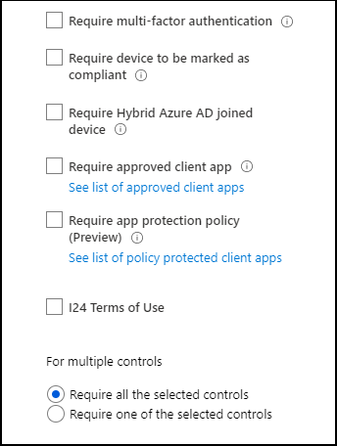

 |  | External MFA providers and terms of use come next.
 |  | All assignments are logically ANDed. If you have more than one assignment configured, all assignments must be satisfied to trigger a policy.

